工作表1
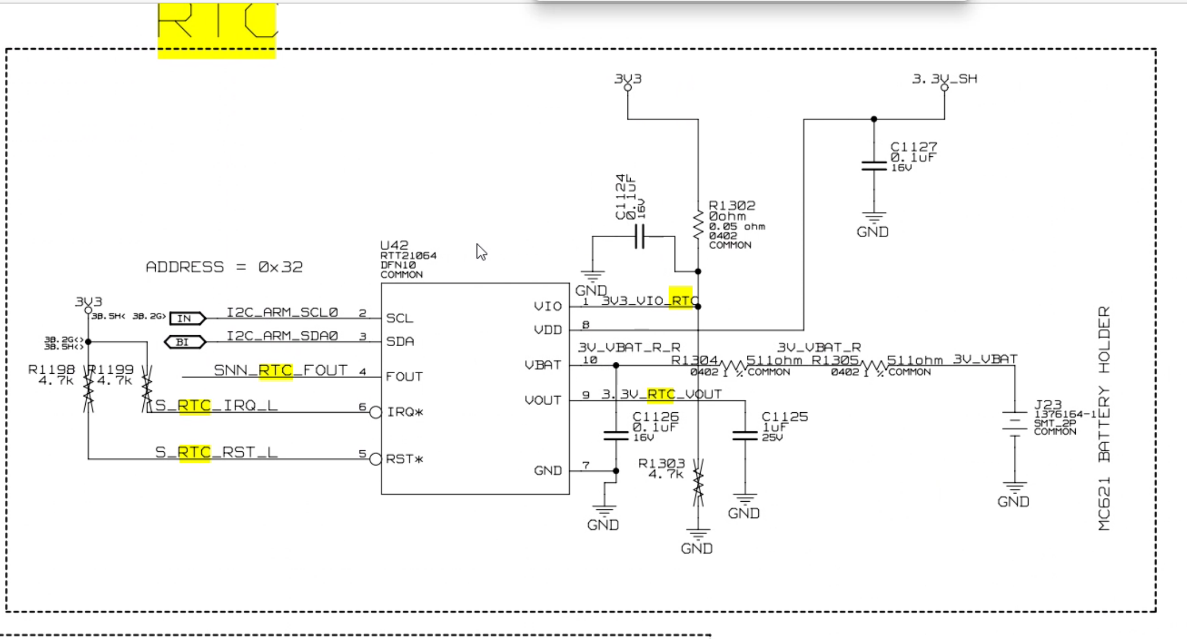
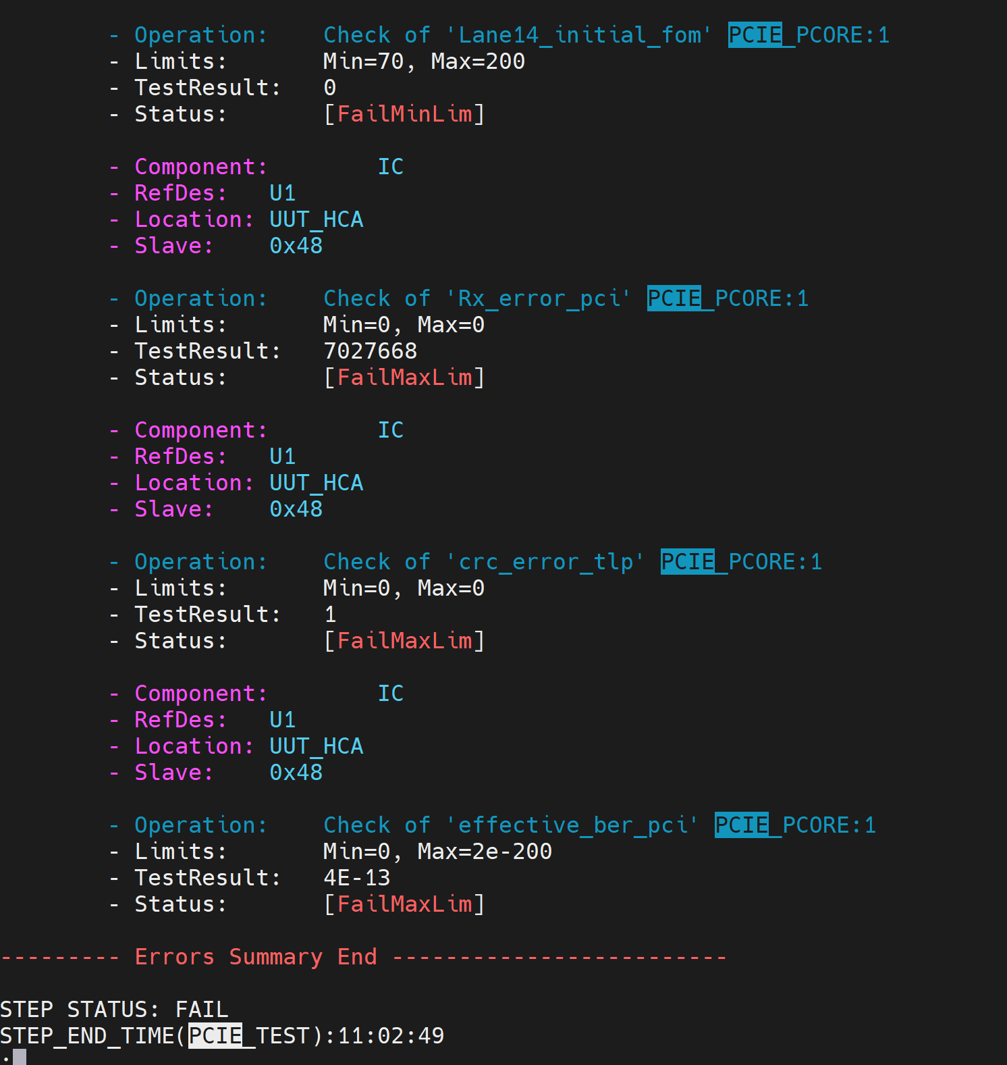

PCIE_PCORE:1 >> I-PEX Cable Black/White
PCIE_PCORE:0 >> Gold finger

Check the EEPROM circuit and DDR.

Check the below circuit.

MR PCIE_CAP
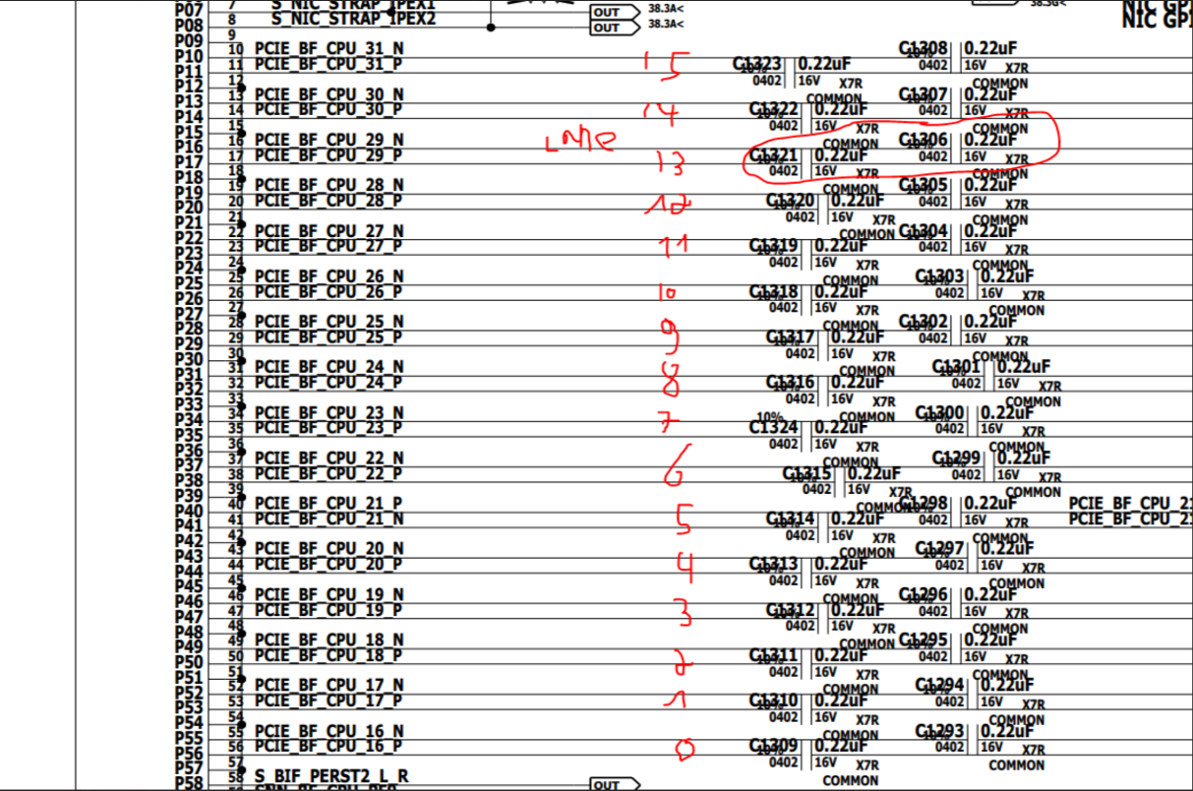

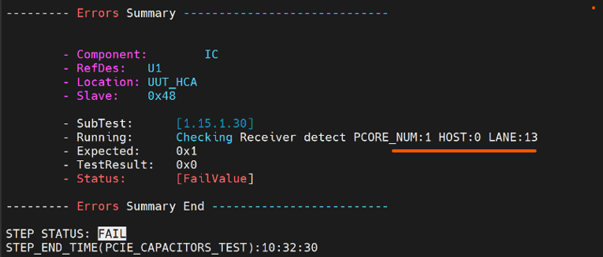

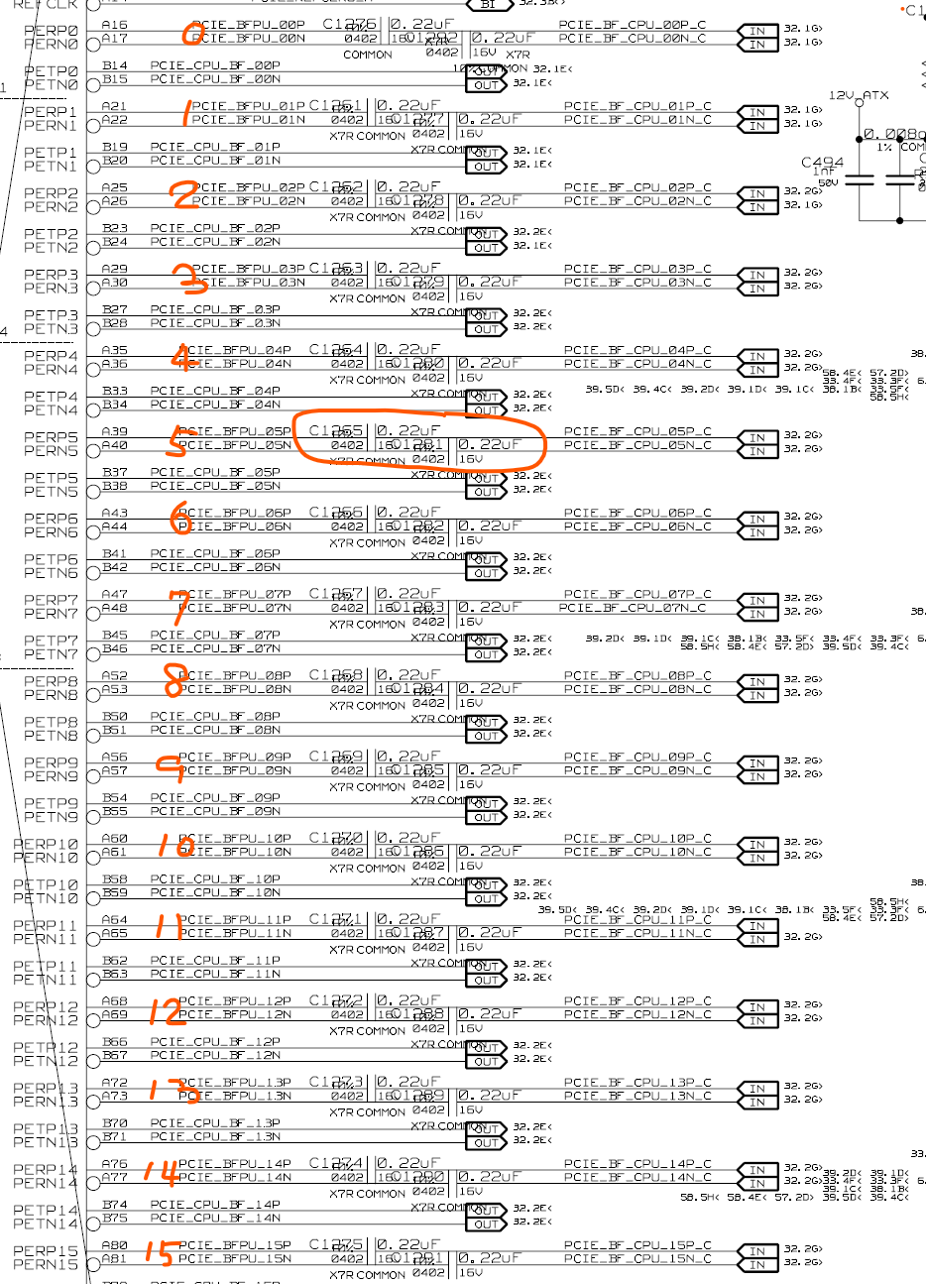

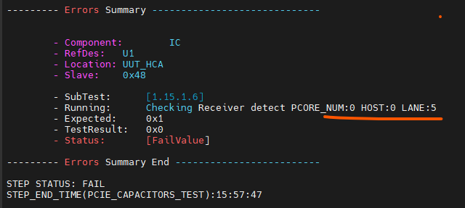

GE PCIE_CAP
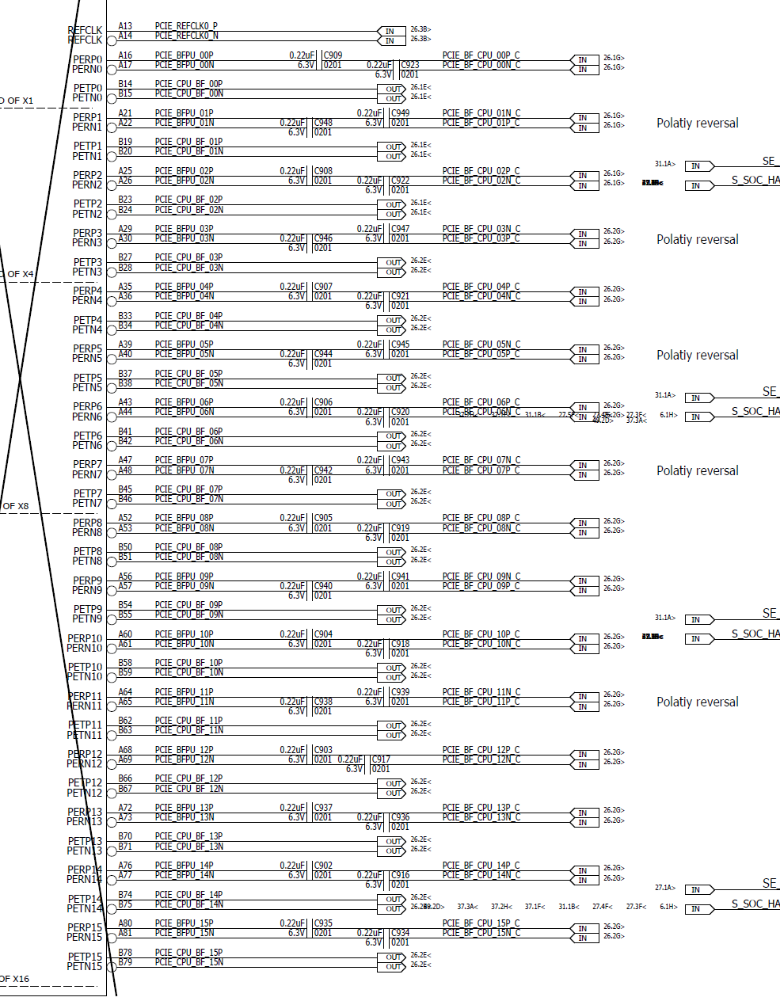

SSD issue, replace C180, 188, 176, 193, 182, 199, 184, 196, if still failed, please releace M1

